MX3
 |  | BMV Medical Group Co., Ltd
 |  | Add: 4/F, BMV of Yinjin Mansion, Block 71, Baoan Centre District, 518101, Shenzhen, China. T:+86-755-2656-4580 F:+86-755-2656-4580 ext. 887 Website: www.bmv.cc; E-mail: sales@bmv.cc

MX3 Color Doppler Ultrasound Scanners Quotation
SPECIAL PRICE ONLY TO:
Particulars
Payment Term | T/T 100% in advance. |  | 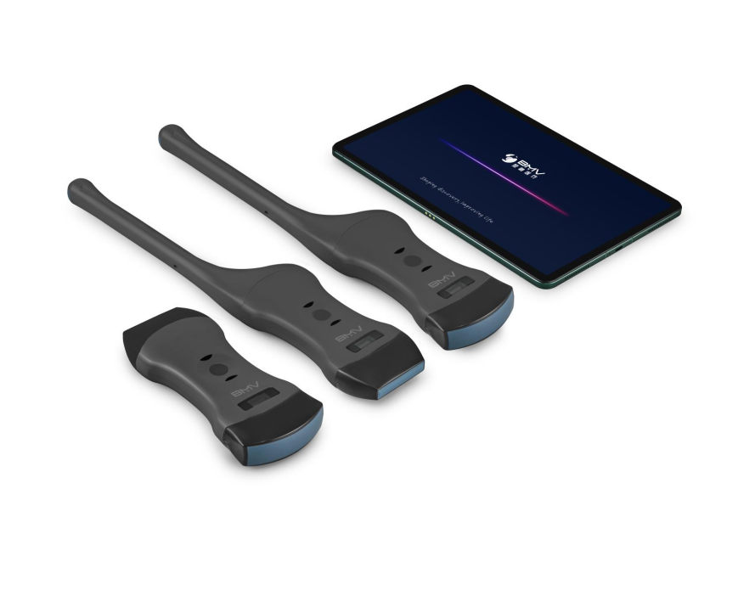
Delivery Time | About 3 weeks after T/T receipt
Inspection & Packing | Inspection: Manufacturer Packing: Export Standard Packing
Warranty | 1-year warranty for system,no subscription required
MOQ | 10 pcs
Country of Origin & Maufacturer: | Shenzhen,China and maufactured by BMV Technology Co., Ltd
Valid Period | 2022-12-31

Standared configuration
ITEMS | DESCRIPTION |  |  | Remark
MX3 | MX3 wireless color Doppler ultrasound system
 | with only 260g(0.6lbs),we're way more portable than others
 | Support Android/ IOS
 | Wireless charging
 | Needle Enhancement
 | 1-year warranty,no subscription required
Accessories | AC Adapter for systems
 | User manual
 | Medical carry bag

Optional Transducer |  | Color Doppler Transducer
Item | Probes Name | Description | Price
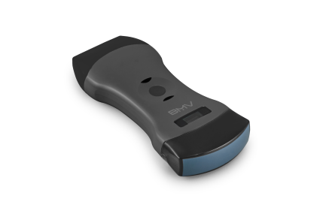 线凸心三合一 | PA10-2E 3 in 1 dual-head probe(convex,linear and phased array probe) | 3 in 1 dual-head probe(convex,linear and phased array probe): 128 elements, convex:3.5 Mhz/5Mhz,R=50, scanning depth:90~305mm. Linear:7.5MHz / 10MHz,scanning depth:20~100mm. phased array:5MHz, R=80,scanning depth:90/160/220/305mm Applications:ABD,OB/GYN,cardiac,thyroid, carotid,Lung,superficial,MSK,nerve,Urology,kidney,etc. | $1,899
线凸二合一 | C2L7 2 in 1 dual-head probe( convex and linear probe) | 2 in 1 dual-head probe( convex and linear probe) 128 elements Convex: 3.5 Mhz/5Mhz,r=60, scanning depth:90~305mm Linear:7.5MHz/10MHz,scanning depth:20~100mm Applications:ABD,OB/GYN,thyroid, carotid,Lung,superficial,MSK,nerve,Urology,kidney,etc. | $1,999
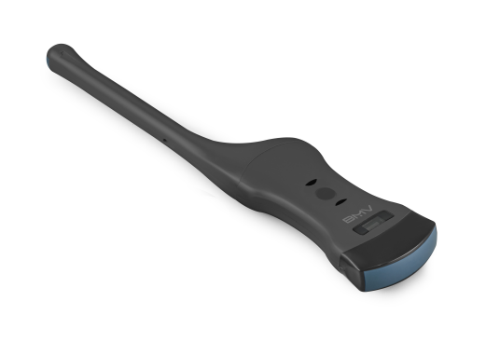 腔凸二合一 | EC7C2 2 in 1 dual-head probe( endocavity and convex probe) | 2 in 1 dual-head probe( endocavity and convex probe) 128 elements Endocavity:6.5MHz/8MHz, scanning 149°,13mm Convex:3.5MHz / 5MHz,R-60 Application: ABD,OB/GNY | $1,999
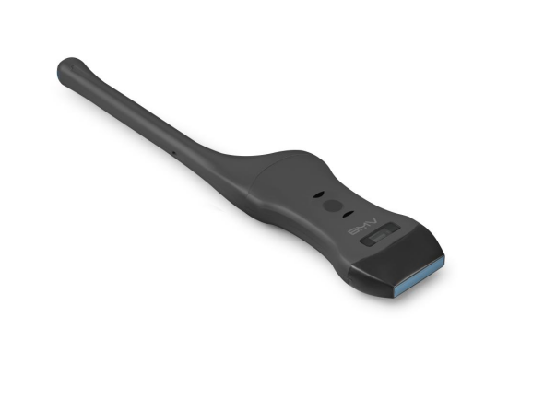 腔线二合一 | EC7L7 2 in 1 dual-head probe( endocavity and linear probe) | 2 in 1 dual-head probe( endocavity and linear probe) 128 elements Endocavity:6.5MHz/8MHz, R=149°,13mm,scanning depth:40~100mm Linear: 3.5MHz / 5MHz,R-60,scanning depth:90~305mm Application: OB/GNY,thyroid, carotid, nerve, Lung, superficial, MSK,etc. | $1,999
线阵 | L7 HD linear | Linear probe: 192 elements,7.5MHz / 10MHz,L=40mm,scanning depth:40mm. Applications:thyroid, carotid, nerve, Lung, superficial, MSK,etc. | $1,899
凸阵 | C2 HD convex | Convex probe:192 elements,3.5MHz / 5MHz, R60,scanning depth:90~305mm Applications:ABD,OB/GYN,,Urology,kidney,etc. | $1,899
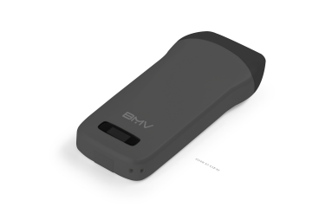 线阵 | L7 | Linear probe: 128 elements,7.5MHz / 10MHz,L=40mm,scanning depth:40mm. Applications:thyroid, carotid, nerve, Lung, superficial, MSK,etc. | $1,199
凸阵 | C2 | Convex probe:128 elements,3.5MHz / 5MHz, R60,scanning depth:90~305mm Applications:ABD,OB/GYN,,Urology,kidney,etc. | $1,199

Optional B/W Transducer
线阵 | L7E (B/Wsystem) Linear probe | Linear probe: 128 elements,7.5MHz / 10MHz,L=40mm,scanning depth:40mm. Applications:thyroid, carotid, nerve, Lung, superficial, MSK,etc. | $850
凸阵 | C2E (B/W system) convex probe | Convex probe:128 elements,3.5MHz / 5MHz, R60,scanning depth:90~305mm Applications:ABD,OB/GYN,,Urology,kidney,etc. | $850

Optional Items
1 | Tablet | IOS phone kit | US$750
 |  | IOS tablet kit | US$670
 |  | Android table kit | US$300
2 | Mobile trolley | MT3 Mobile trolley special design for MX scanners | US$250
3 | Puncture | Needle-guided brackets | US$320
4 | Carrying bag | Storage the probe and its accessories | US$80
5 | Wireless charger | Qi-compatible wireless charger | US$35

OEM/ODM service are available, pls contact us for the requirement
Authorized by: Dr. David Luo

